Template
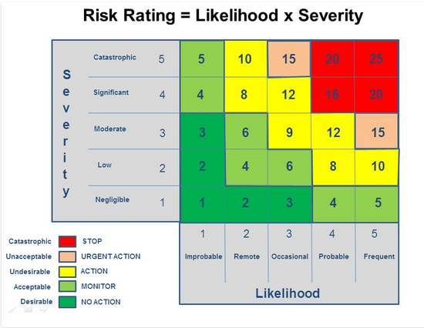
Club |  |  |  | Location
 |  |  |  |  |  |  |  |  |  |  |  | Risk Rating Action:
Activity |  |  |  | Assessor’s Name |  | Role |  |  | Date assessed:
 |  |  |  |  |  |  |  |  |  |  |  | 1-3: No Action
What are the hazards? 1. Who might be harmed 2. How might they be harmed? | What are you already doing? | Risk |  |  | What else do you need to do to manage and reduce this risk? | Residual Risk |  |  | Actions |  |  | 4-7: Monitor
 |  | Likelihood | Severity | Risk (LxS) |  | Likelihood | Severity | Risk (LxS) | whom | when | Date Completed | 8-12: Action Required
 |  | L: 1-5 | S: 1-5 | 0-25 |  | L: 1-5 | S: 1-5 | 0-25 |  |  |  | 13-19: Urgent Action Required
 |  |  |  |  |  |  |  |  |  |  |  | 16-25: Stop Activity Immediately

